1. Title Page
[Basket Analysis]

Project Name: Instacart Basket Analysis
Date: 16/09/2023
Analyst Name: Raquel Garcia Navarro

Contents:
Population Flow
Consistency checks
Wrangling steps
Column derivations
Visualizations
Recommendations

2. Population Flow
Title page

Population flow

Exclusion flag
Condition: max_order <
Obervations to be removed:
Final total count of order_products_all:

Orders_products_combined
Orders_products_merged
Orders_products_all

Total: 32404859
Total: 32434489
Total: 32404859

1.) The grey boxes in the first row of the population flow represent the original data sets as they were when you downloaded them. In the Total fields you need to add the count of the rows when you imported the data set into Jupyter.
2.) The second row of boxes (coloured) represents the data sets after you manipulated them, e.g., removed missing values and duplicates. In the Total fields you need to add the count of the rows after conducting these operations. This offers a visual oveview of how the data flows throughout the data consistency checks.
3.) The third row, where also the arrows are coloured, represents the merges you performed between the datasets. In the Total fields you need to add the count of the rows in the merged datasets, so that you end up with the final dataset (in the red box). Keep in mind the final dataset should be without exclusions (based on the exclusion flag).

3. Consistency checks
 |  |  |  | Title page
Consistency checks

Dataset | Missing values | Missing values treatment | Duplicates
orders | There's 206209 missing values in days_since_last_order for customers with only one order. | No treatment necessary | No duplicates
products | 16 product name values missing | We've created a new dataframe without this values | We've created a new dataframe that doesn't include the duplicates.
orders_products_prior
customers
orders_prods_merged_v2 | Values over 100 in prices have been declared as missing values to avoid outliers.
customers | col first_name | Nothing

4. Wrangling steps
 |  |  |  |  | Title page
Wrangling steps

Dataset | Columns dropped | Columns renamed | Columns' type changed | Comment/Reason
Orders | eval_set |  |  | Unnecessary column
Orders |  | order_dow : orders_day_of_the_week |  | Renamed for clarity
Orders |  | orders_day_of_the_week : order_day_of_the_week |  | Renamed for consistency
Orders |  |  | order_id from int to str | Unique identifiers are not meant to have calculations on them. And the describe function for statistics ignores strings.
Orders |  |  | user_id from int to str | Unique identifiers are not meant to have calculations on them. And the describe function for statistics ignores strings.
Customers |  | Surnam: surname |  | Renamed for typo
Customers |  | First Name: first_name |  | Renamed for consistency
Customers |  | Gender: gender |  | Renamed for consistency
Customers |  | STATE: state |  | Renamed for consistency
Customers |  | Age: age |  | Renamed for consistency
Customers |  |  | user_id from int to str | Unique identifiers are not meant to have calculations on them. And the describe function for statistics ignores strings.
ords_prods_all | first_name |  |  | The names and surnames of the customers are sensitive information that could lead to track down individuals, for that reason it can be considered PII (personally identifiable information). To avoid privacy breaches they've been dropped.
ords_prods_all | last_name

5. Column derivations
 |  |  |  | Title page

Column derivations and aggregations

In this tab you should add tables below that the frequences of flags/label variables that you produced after deriving them. NB: don't do this for continuous variables, only for flags.
Dataset | New column | Column/s it was derived from | Conditions
orders_products_merged | busiest_day | order_day_of_the_week | 0 or 1 = Busiest day / 4 or 3 Slowest day / Rest = Regularly busy
orders_products_merged | busiest_hours | order_hour_of_day | (x >=9) and (x <= 17) = Most orders / (x <= 6) and (x>= 21) = Fewest orders / Rest = Average orders
orders_products_merge | max_order | user_id and order_number | Max order of per user id
orders_products_merge | loyalty_flag | max_order | > 40 orders = Loyal customer / 10-40 orders = regular customer / <10 orders = new customer
orders_products_merge | avg_spends | user_id and prices | average of spendings per user
orders_products_merge | type_spender | avg_spender | <10 = Low spender / >10 = high spender
orders_products_merge | median_days_prior | user_id and days_since_last_order | Median of the days prior to an order
orders_products_merge | order_regularity | median_days_prior | < 10 = Frequent customer / 10-20 = Regular customer / >20 = Non-frequent customer
ords_prods_all | region | state | https://simple.wikipedia.org/wiki/List_of_regions_of_the_United_States
ords_prods_all | order_activity | max_order | <= 5 = 'Low-activity customer' / > 5 = 'High-activity customer'
high_activity_cust | age_range | age | 18-29 = 20's / 30-39 = 30's / 40-49 = 40's / 50-59 = 50's / 60-69 = 60's / 70 and over
high_activity_cust | income_range | income | < 35000 = low income / 35000 - 50000 = average income / 50000 - 125000 = high income / > 125000 = really high income
high_activity_cust | fam_type | fam_status | If single, living with parents and siblings, or divorced/widowed & 0 dependants then "Single Adult" / If single, living with parents and siblings, or divorced/widowed & >0 dependants & 18-29 years old then "Young one-parent" / If single, living with parents and siblings, or divorced/widowed & >0 dependants then "One-parent" / If married and <=3 dependants & 18-29 years old then "Young family" / If married and <= 3 dependants then "Family" / If married and >3 dependants then "Large Family".
high_activity_cust | day | order_day_of_the_week | 0 = Saturday, 1 = Sunday, 2 = Monday, 3 = Tuesday, 4 = Wednesday, 5 = Thursday, 6 = Friday

6. Visualizations
 |  |  |  | Title page

Visualisations

In this tab you should include all the visualtions from Exercises 4.9 and 4.10, alongside the questions from the project brief that they answer. Include any commentary on the relationship between different variables.

1. Busiest days of the week and hours of the day
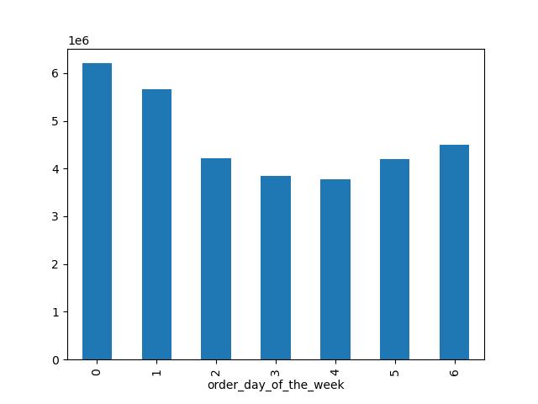
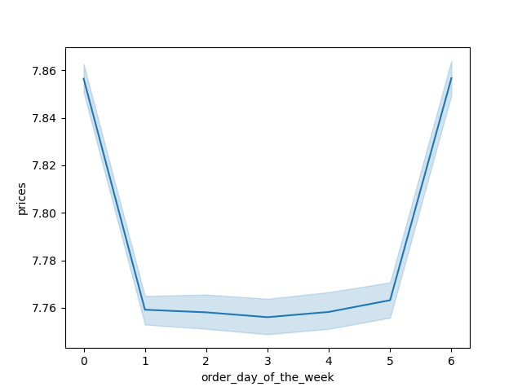

 |  |  |  |  | Legend:
 |  |  |  |  | 0 - Saturday
 |  |  |  |  | 1 - Sunday
 |  |  |  |  | 2 - Monday
 |  |  |  |  | 3 - Tuesday
 |  |  |  |  | 4 - Wednesday
 |  |  |  |  | 5 - Thursday
 |  |  |  |  | 6 - Friday

 | Friday and Saturday are the busiest days of the week,
 | when most people is off work and can stock up for the weekend.

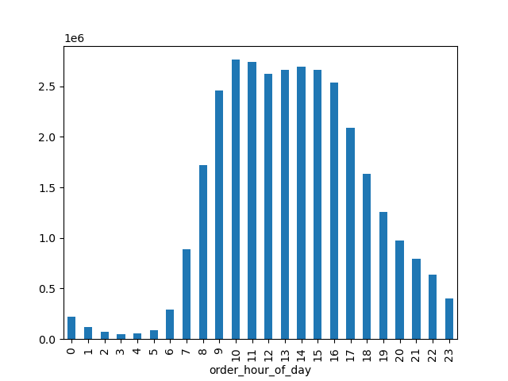

 | In the histogram we can see that the busiest hours of the day are from 10 until 17h slowly decreasing from or before there.
 | The best hour seems to be 10. And with little or almost none activity from midnight until 5.

 | 2. Times of the day when people spend the most money


 | We see a really big margin of error over night. With a steady amount of sales during the day, peaking at around 5pm and 9pm.

 | 3. Marketing and sales want to use simpler price range groupings to help direct their efforts.



 | Most of prices are under £15.

 | 4. Products with the highest frequency of order
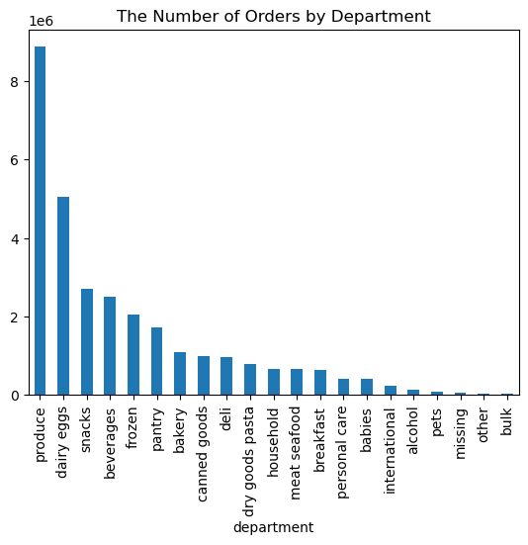

 |  |  | Produce is the most popular department by far. Followed by Dairy and eggs. Behind with still with a good frequency we have: frozen, beverages, snacks and pantry.
 |  |  | The least popular departments are: bulk, other, missing, pets, alcohol, international, babies and personal care.

 | 5.1 Customers brand loyalty

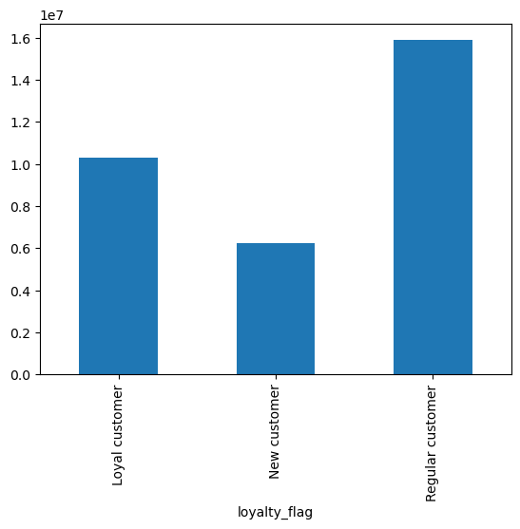

 | The most amount of customers fall into the regular costumers category. Followed by loyal customers, and with a minority of new customers.
 | This shows a good customer loyalty and following of the brand, but could also suggest that there's a gap to try and get more new customers.

 | 5.2 Age income relation

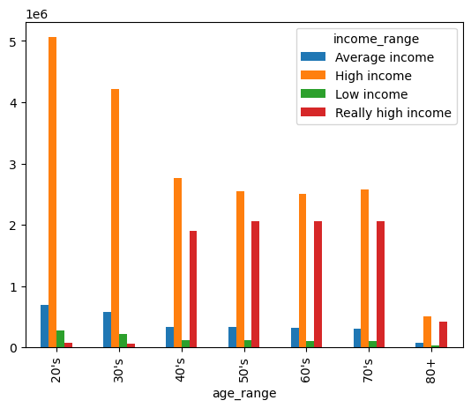

 | In the scatterplot we observe that most people is on lower incomes than 200000. And getting the most scattered over 300000.
 | We can see how +40 years old are the only ones to have an income over 400000 and way more incomes over 200000, than people in their 20's and 30's.

 | 5.3 Customer profiles

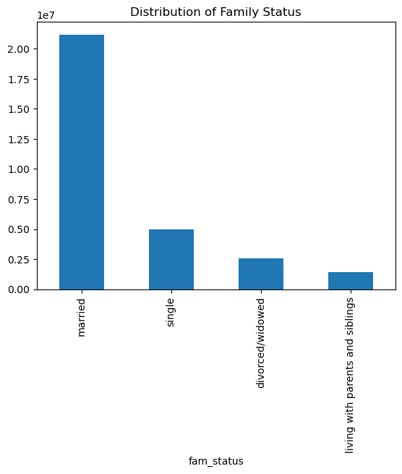
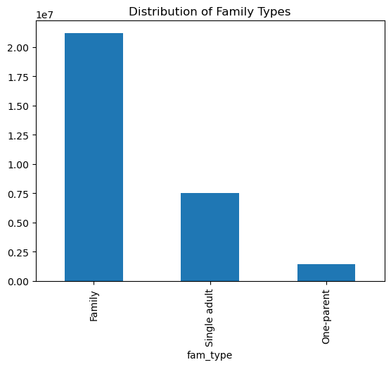
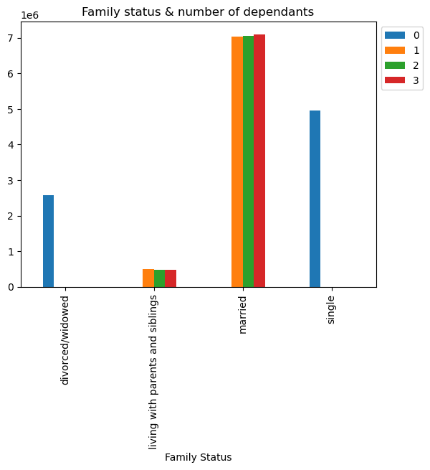

 | The majority of the customers are married and with kids. Based on the customer profiles created there aren't any Large families, Young one-parents or Young families.
 | Single people still represents a respectable fourth of the families. So I'd still aim that amount of promotions towards single people, and we'd aim the great majority towards family with kids.

 | 5.4 Income, age and family status across departments
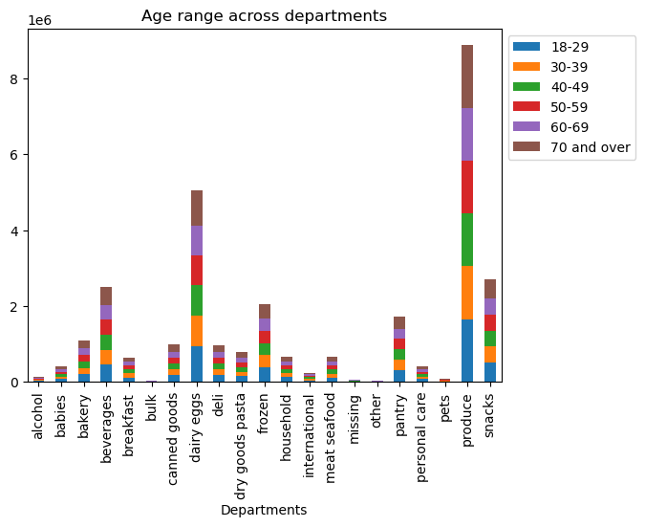
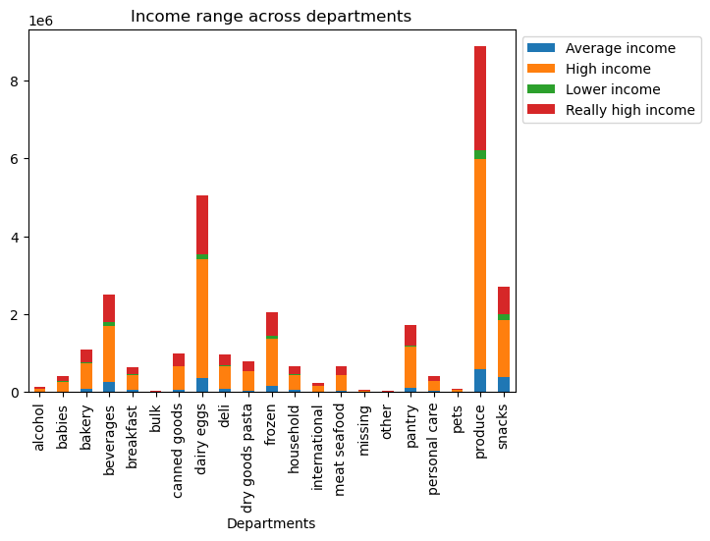

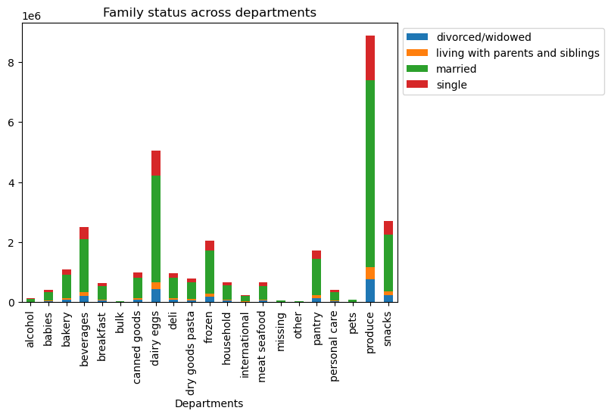

 | Sales are fairly evenly distributed acrros departments per age, income range and family status.

 |  | 5.5 Family types and age range across regions

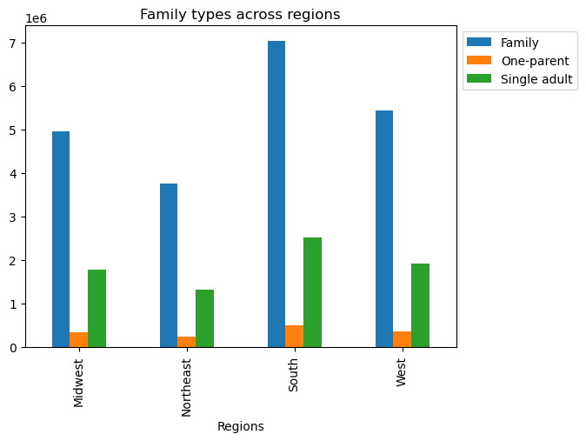
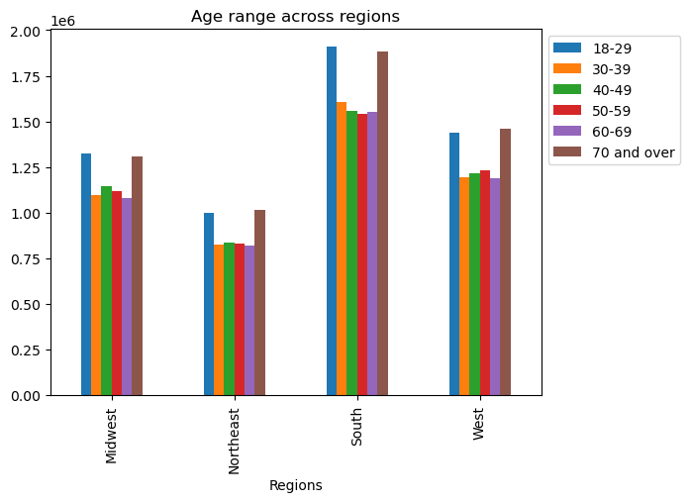

 |  | We observe the same distributions than in the customer profiles, there aren't any big differences per regions.

7. Recommendations
Title page

Recommendations

In this tab you should include any recommendations you would made to Instcart in terms of their marketing strategy based on the questions posed in the brief. Every key question has been covered in the Tasks of the Exercises - here you need to add an item - a visualisation or table/crosstable that is showing the answer in the data, acompanied by a comment from you. Please, list the questions below and add the answer underneath.

1- The sales team needs to know what the busiest days of the week and hours of the day are in order to schedule ads at times when there are fewer orders.
Fridays and Saturdays between 10h and 17h are the busiest times and hours.
A good time to schedule ads could be after 17h when the sales decrease progressively and Monday to Wednesday.

2- They also want to know whether there are particular times of the day when people spend the most money, as this might inform the type of products they advertise at these times.
The busiest hour of the day are between 9h and 16h. Then it steadily decreases until midnight. On the other hand, customers spent the most amount of money between 17h and 21h.
It's recommended to run higher budget ads between 17h and 21h. Mid budget between 9h and 16h. And lower between 21h and 23h.

3- Instacart has a lot of products with different price tags. Marketing and sales want to use simpler price range groupings to help direct their efforts.
Most of prices are under £15.
We suggest ranges, such as, $1.99 - $3.99, $4.99 - $8.99, $9.99 - $12.99, $13.99 - $16.99.

4- Are there certain types of products that are more popular than others? The marketing and sales teams want to know which departments have the highest frequency of product orders.
Produce is the most popular department by far. Followed by Dairy and eggs. Behind with still with a good frequency we have: frozen, beverages, snacks and pantry. The least popular departments are: bulk, other, missing, pets, alcohol, international, babies and personal care.
Produce, dairy and eggs are good items to suggest before the customer payment, since they're popular items, and people is likely to add them to the basket if they handn't already. It's also worth creating promotions bundles between more popular and less popular items, like snacks and personal care.

5.1- What’s the distribution among users in regards to their brand loyalty (i.e., how often do they return to Instacart)?
The most amount of customers fall into the regular costumers category. Followed by loyal customers, and with a minority of new customers. This shows a good customer loyalty and following of the brand, but could also suggest that there's a gap to try and get more new customers.
With that note, it could be a good idea to create campaigns to attract more new customers who are unfamiliar with the brand.

5.2- Relation between income and age.
Over 40 years old are the only ones to have an income over 400000 and way more incomes over 200000, than people in their 20's and 30's. Most people is on lower incomes than 200000. The incomes are the most scattered over 300000.
More expensive and premium items and bundles should be targeted to over 40 year olds, since they tend to have a higher income.

5.3- Customer profiles (family types and status)
The majority of the customers are married and with kids. Based on the customer profiles created there aren't any Large families, Young one-parents or Young families.
Single people still represents a respectable fourth of the families. So I'd still aim that amount of promotions towards single people, and we'd aim the great majority towards family with kids.

5.4- Income, age and family status across departments
Sales are fairly evenly distributed acrros departments per age, income range and family status. There's not been any pattern differences in departments sales between age, family status and income range.
The recommendation is to follow for all targets the generic visualizations of sales per departments for every customer profile.

5.5- Family types across age and regions
We observe the same distributions than in the customer profiles, there aren't any big differences per regions. Therefore the promotions can be used equally amongst regions.

